actual summary
Financial Summary for the project Imtiaz Store DHA Phase VIII Karachi

 |  |  |  |  |  |  | Contract Value |  |  | 26,562,748

Receiving details
Payment | Verified Amount | SST 13% on Installation | Gross Verified Amount after SST | Less Mob Adv 25% | Less Retention 10% | Payable Amount | Payment received | Tax Rate | Tax amount | Chq amount | Receive date
Mobilzation Advance 25% | xxxxxxxxxxxxxxxxxxxxxxxxxxxxxxxxxxxxxxxxxxxxxxxxxxxxxxxxxxxxxxxx |  |  |  |  |  | 6,500,000 | 7.5% | 487,500 | 6,012,500 | 1-Jul-21
IPC-01 | 6,019,640 | 136,814 | 6,156,454 | 1,504,910 | 601,964 | 4,049,580 | 3,000,000 | 6.5% | 195,000 | 2,805,000 | 23-Oct-21 |  | Total Payable Amount |  |  | 3,887,032
 |  |  |  |  |  |  | 1,049,580 | 7.0% | 73,471 | 976,109 | 17-Nov-21 |  | Tax 7% |  |  | 272,092
IPC-02 | 17,395,742 | 375,687 | 17,771,429 | 4,348,936 | 1,739,574 | 11,682,919 | 6,000,000 | 7.0% | 420,000 | 5,580,000 | 1-Dec-21 |  | Net Amount |  |  | 3,614,940
 |  |  |  |  |  |  | 5,627,713 | 6.5% | 365,801 | 5,261,912 | 20-Jan-22
IPC-03 | 2,178,426 | 42,224 | 2,220,650 | 624,204 | 217,843 | 1,378,603 | 1,378,603 | 7% | 365,801 | 1,012,802

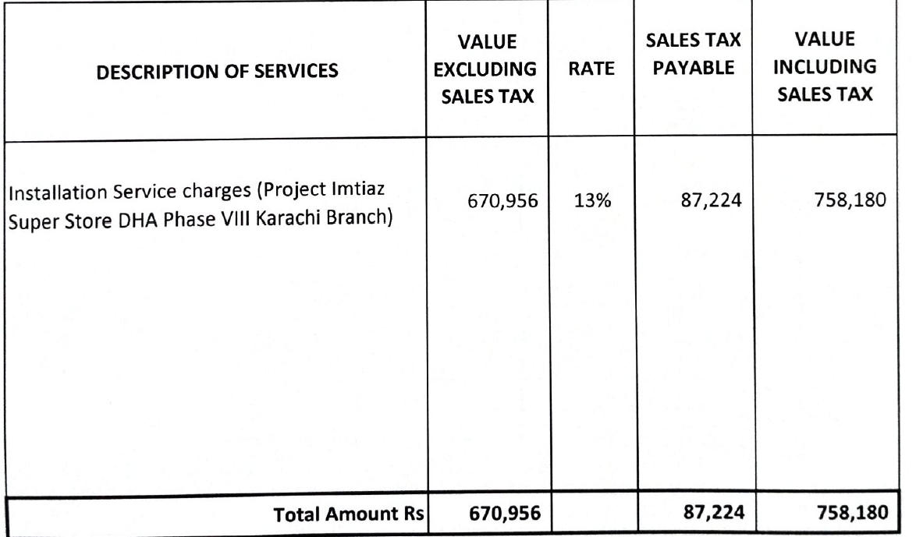
Total Amount till to date | 25,593,808 | 554,725 | 26,148,533 | 6,478,049 | 2,551,094 |  | 23,555,896 |  | 1,907,573 | 21,648,323

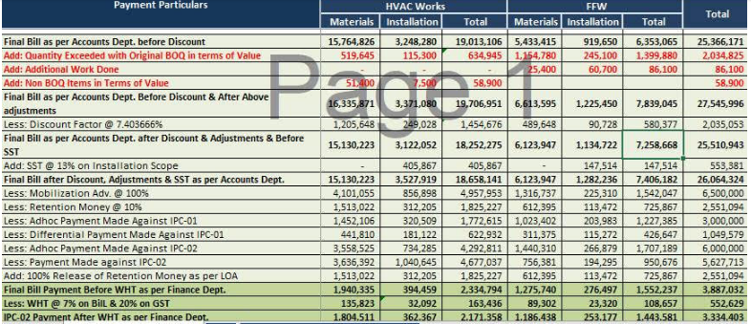

 |  |  |  |  |  |  | Total Work Done amount till final |  |  | 26,148,533
 |  |  |  |  |  |  | Less Mob 25% |  |  | 6,500,000
 |  |  |  |  |  |  | Less Retention 10% |  |  | 2,551,094
 |  |  |  |  |  |  | Less advance paid in IPC -01 |  |  | 3,000,000
 |  |  |  |  |  |  | final amount paid in IPC -01 |  |  | 1,049,580
 |  |  |  |  |  |  | Less advance paid in IPC -02 |  |  | 6,000,000
 |  |  |  |  |  |  | final amount paid in IPC -02 |  |  | 5,627,713
 |  |  |  |  |  |  | Add Retention 10% |  |  | 2,551,094
 |  |  |  |  |  |  | Net |  |  | 3,971,240
 |  |  |  |  |  |  |  |  |  |  |  |  |  | HVAC | Fire
 |  |  |  |  |  |  | Tax 7% |  |  | 277,987 |  | SRB amount |  | 394459 | 276,497 | 670,956
 |  |  |  |  |  |  |  |  |  |  |  | 13% |  |  |  | 87,224.28
 |  |  |  |  |  |  | Net |  |  | 3,693,253 |  |  |  |  |  | 758,180

 |  |  |  |  |  |  | SRB 20% |  |  | #REF!

 |  |  |  |  |  |  | Net |  |  | #REF!

 |  |  |  |  |  |  | Extra tax deduct |  |  | 166,605

 |  |  |  |  |  |  | Net |  |  | #REF!

 |  |  |  |  |  |  | IMIAZ AMOUNT |  |  | 3,334,403

 |  |  |  |  |  |  | Difference |  |  | #REF!

